Sheet1
 |  | Document No. | Issue No. | Issue Date |  | Review and Replace Date |  | Authorised By
 |  | GFF236MC | 2 | 06.11.2020 |  | 03.03.2021
 |  | Document Title | 8 Onion Bhajis 240g
 |  |  |  |  |  |  |  | Magda Shah
Document amendments reason for change |  | Recipe changed to Gluten Free, shelf life reduced | Page 1 of 1 |  | Previous Issue Date |  | 06.11.2020 | Uncontrolled copy unless signed original

GAS PACK
COBH1C-R6T | GAZEBO |  | 8 Onion Bhajis 240g | CHILLED
STEP 1 |  |  |  |  | STEP 2
 |  |  |  |  | 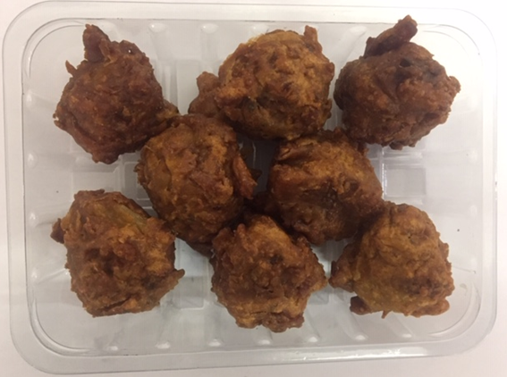

Tray: SK4 Plain Clear (PKESS001-07) |  |  |  |  | Onion Bhaji (GFF121R) 30g: 8 pieces
LINE 2: ME410AFV2, 410mm wide x 1000m linear PET Antifog WELD seal (PKPRO001-12) |  |  |  |  | Total Weight: 240g
ALLERGY ALERT: NONE

